1. Title Page
Instacart Data Analysis Project

Project Name: Instacart Data Analysis
Date: 28.09.2024
Analyst Name: Julia Petke

Contents:
Population Flow
Consistency checks
Wrangling steps
Column derivations
Visualizations
Recommendations

Data Citation
"Accessed from 'The Instacart Online Grocery Shopping Dataset 2017' at www.instacart.com/datasets/grocery-shopping-2017 via Kaggle on 08/18/2024.
Please note that the 'customers' dataset and the 'prices' column in the products dataset were created specifically for this project."

2. Population Flow
Title page

Population flow

Exclusion flag
Condition: max_order <
Obervations to be removed:
Final total count of order_products_all:

Orders_products_combined
Orders_products_merged
Orders_products_all

Total: 32,404,859
Total: 32,404,859
Total: 3,434,489

1.) The grey boxes in the first row of the population flow represent the original data sets as they were when you downloaded them. In the Total fields you need to add the count of the rows when you imported the data set into Jupyter.
2.) The second row of boxes (coloured) represents the data sets after you manipulated them, e.g., removed missing values and duplicates. In the Total fields you need to add the count of the rows after conducting these operations. This offers a visual oveview of how the data flows throughout the data consistency checks.
3.) The third row, where also the arrows are coloured, represents the merges you performed between the datasets. In the Total fields you need to add the count of the rows in the merged datasets, so that you end up with the final dataset (in the red box). Keep in mind the final dataset should be without exclusions (based on the exclusion flag).

3. Consistency checks
 |  |  |  | Title page
Consistency checks

Dataset | Missing values | Missing values treatment | Duplicates
orders | 206209 | NAN to 0 | No duplicates found
products | 16 | Created a new dataframe to drop missing values | N/A
orders_products_prior | 0 | N/A | N/A
customers | 0 | N/A | N/A

4. Wrangling steps
 |  |  |  | Title page
Wrangling steps

Columns dropped | Columns renamed | Columns' type changed | Comment/Reason
eval_set |  |  | Unnecessary for this particular analysis
 |  | order_id | Data type changed from integer to string
 |  | user_id | Data type changed from integer to string
 | order_dow to orders_day_of_week |  | Ease of understanding
 | order_number to number_of_orders |  | Ease of understanding
 | order_hour_of day to order _time of_day |  | Ease of understanding
 |  | first_name | Data type changed to string because mix-type values were in this column
 | First Name to first_name |  | For uniformity of column names
 | Surnam to last_name |  | For uniformity of column names and ease of understanding
 | Gender to gender |  | For uniformity of column names
 | STATE to state |  | For uniformity of column names
 | Age to age |  | For uniformity of column names
 | n_dependants to number_of_dependents |  | Ease of understanding
 | fam_status to marital_status |  | Ease of understanding
first_name |  |  | Unnecessary for this particular analysis, PII
last_name |  |  | Unnecessary for this particular analysis, PII
 | Unnamed to department_id |  | Ease of understanding, merge
_merge |  |  | All _merge columns dropped after merge checks

5. Column derivations
 |  |  |  | Title page

Column derivations and aggregations

Dataset | New column | Column/s it was derived from | Conditions
cust_ords_prods | busiest_day | orders_day_of_week | if value = 0 then 'Busiest day'
 |  |  | if value = 4 then 'Least busy'
 |  |  | else 'Regularly busy'
cust_ords_prods | busiest_days | orders_day_of_week | if value = 0 or if value = 1, then 'Busiest days'
 |  |  | if value = 3 or if value = 4, then 'Slowest days'
 |  |  | else 'Regularly busy'
cust_ords_prods | busiest_period_of_day | order_hour_of_day | if value in [10,11,14,15,13,12,16,9] then 'Most orders'
 |  |  | if value in [17,8,18,19,20,7,21,22] then 'Average orders'
 |  |  | else 'Fewest orders'
cust_ords_prods | max_order | number_of_orders | maximum number of orders placed by each user
cust_ords_prods | loyalty_flag | max_order | if max order > 40 then 'Loyal customer'
 |  |  | if max order <= 40 and if max order > 10 then 'Regular customer'
 |  |  | if max order <= 10 then 'New customer'
cust_ords_prods | avg_price | prices | average price per item for each user
cust_ords_prods | spender_flag | avg_price | if avg_price < 10 then 'Low spender'
 |  |  | if avg_price >= 10 then 'High spender'
cust_ords_prods | median_days_since_prior_order | user_id, days_since_prior_order | median number of days since each user's last order
 | order_frequency | median_days_since_prior_order | if median_days_since_prior_order > 20 then 'Non-frequent customer'
 |  |  | if median_days_since_prior_order > 10 & median_days_since_prior_order <= 20 then 'Regular customer'
 |  |  | if median_days_since_prior_order < = 10 then 'Frequent customer'
cust_ords_prods | region | state | Northeast = Maine, New Hampshire, Vermont, Massachusetts, Rhode Island, Connecticut, New York, New Jersey, Pennsylvania
 |  |  | Midwest = Wisconsin, Michigan, Illinois, Indiana, Ohio, North Dakota, South Dakota, Nebraska, Kansas, Minnesota, Iowa, Missouri
 |  |  | South = Delaware, Maryland, District of Columbia, Virginia, West Virginia, North Carolina, South Carolina, Georgia, Florida, Kentucky, Tennessee, Mississippi, Alabama, Oklahoma, Arkansas, Texas, Louisiana
 |  |  | West = Idaho, Montana, Wyoming, Nevada, Utah, Colorado, Arizona, New Mexico, Alaska, Washington, Oregon, California, Hawaii
cust_ords_prods_excluded | activity_flag | max_order | if max_order < 5 then 'low-activity customer'
 |  |  | if max_order > 5 then 'high-activity customer'
cust_ords_prods_excluded | age_group | age | young adult <= 25 years
 |  |  | adult > 26 years & <= 44 years
 |  |  | middle-aged > 45 years & <= 64 years
 |  |  | senior > 65 years
cust_ords_prods_excluded | income_group | income | if income <= 55000 then 'low income'
 |  |  | if income > 55000 and if income <= 150000 then 'middle income'
 |  |  | if income > 150000 then 'high income'
cust_ords_prods_excluded | dependents_flag | number_of_dependents | if number of dependents = 0 then 'no dependents'
 |  |  | if number of dependents >= 1 then 'has dependents'

income_group |  | loyalty_flag
middle-income 484483 |  | Regular customer 473041
low-income 221757 |  | Loyal customer 288151
high-income 215093 |  | New customer 160141
Name: count, dtype: int64 |  | Name: count, dtype: int64

busiest_day |  | spending_flag
Regularly busy 641399 |  | Low spender 7340993
Busiest day 358601 |  | High spender 187240
Name: count, dtype: int64 |  | Name: count, dtype: int64

busiest_period_of_day |  | age_group
Most orders 652729 |  | middle-aged 290127
Average orders 307666 |  | adult 270568
Fewest orders 39605 |  | senior 243709
Name: count, dtype: int64 |  | young adult 116929
 |  | Name: count, dtype: int64
dependents_flag
has dependents 689727
no dependents 231606
Name: count, dtype: int64

dependents_flag
has dependents 689727
no dependents 231606
Name: count, dtype: int64

6. Visualizations
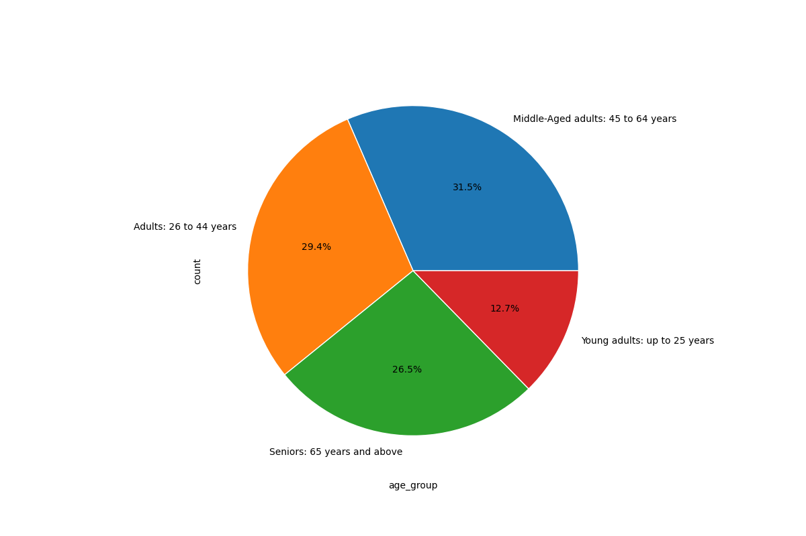
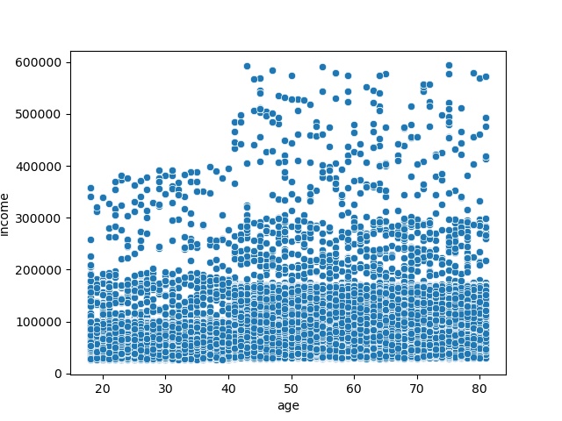
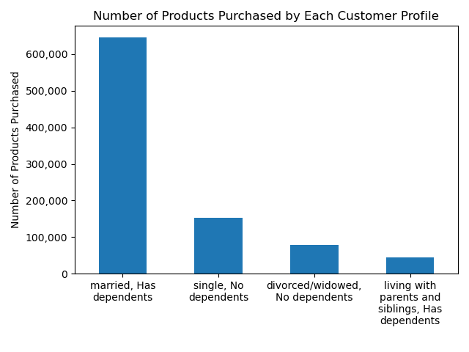
 | Title page

Visualisations

Question
The sales team needs to know what the busiest days of the week and hours of the day are (i.e., the days and times with the most orders) in order to schedule ads at times when there are fewer orders.

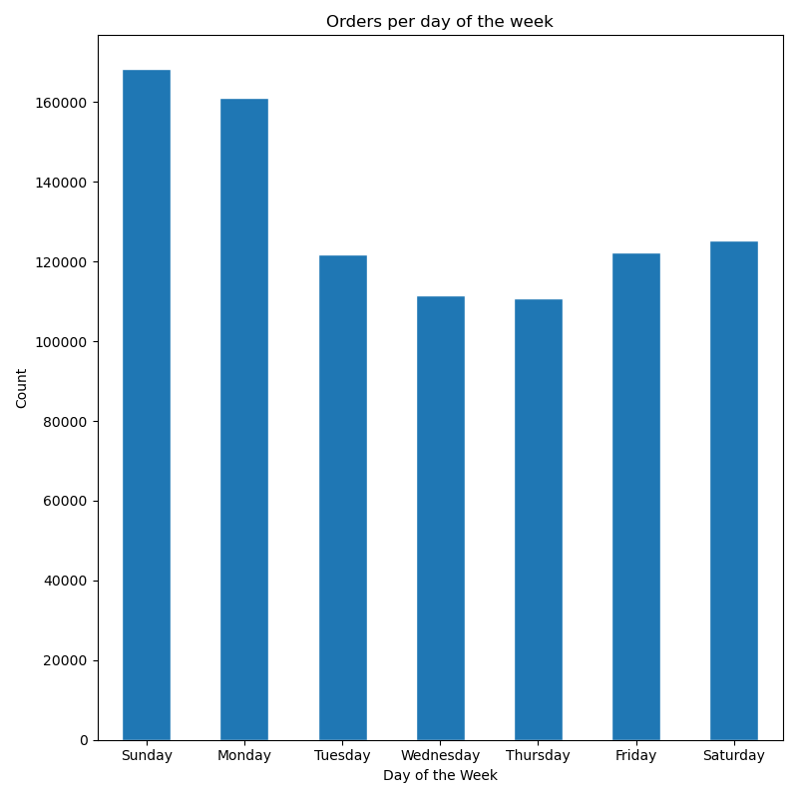

Question
They also want to know whether there are particular times of the day when people spend the most money, as this might inform the type of products they advertise at these times.

People spend the most money on products in the early morning and on the weekends, however the price fluctuation is very slight.
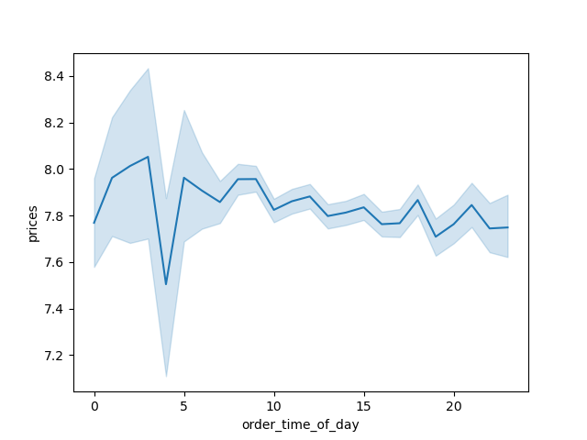
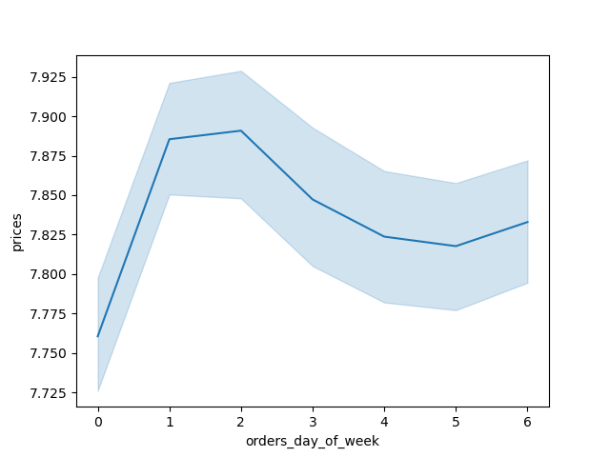

Question
Instacart has a lot of products with different price tags. Marketing and sales want to use simpler price range groupings to help direct their efforts.

Comments
Produce and dairy/eggs are ordered the most. Bulk items are ordered the least. Patterns stay consistent when split up by age group and income group.

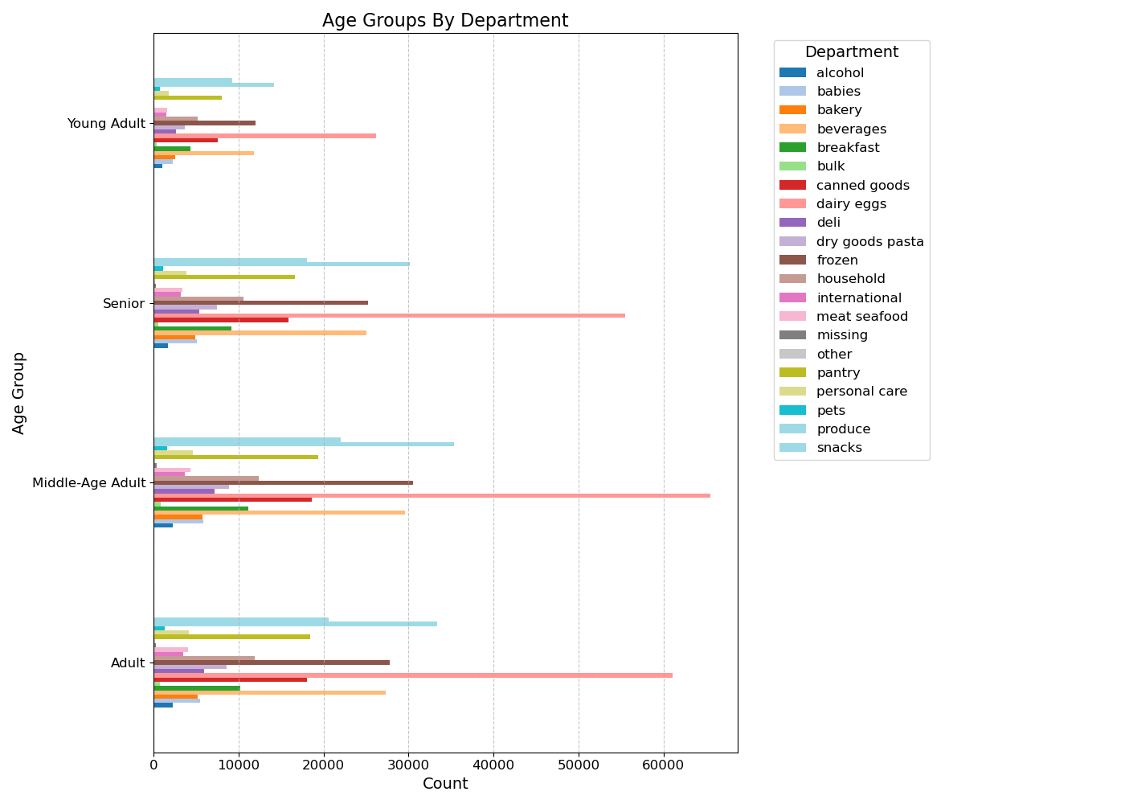
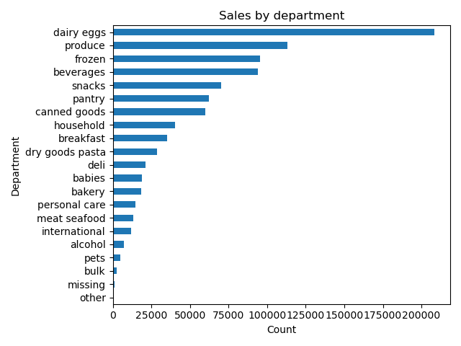

Question
Are there differences in ordering habits based on a customer’s region?

Most of Instacart's customers are located in the South.
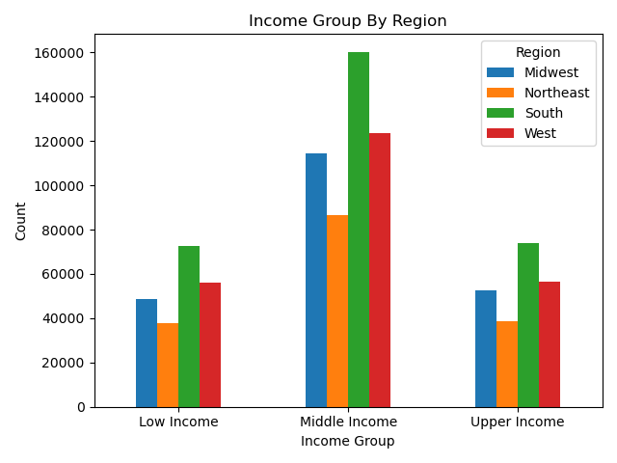
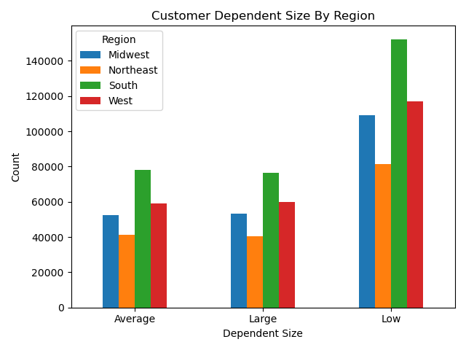
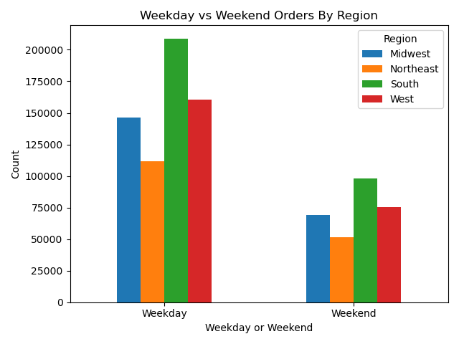

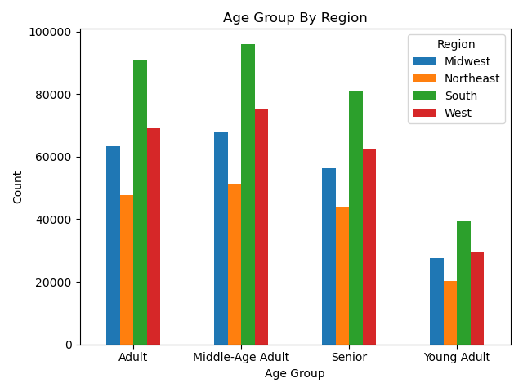
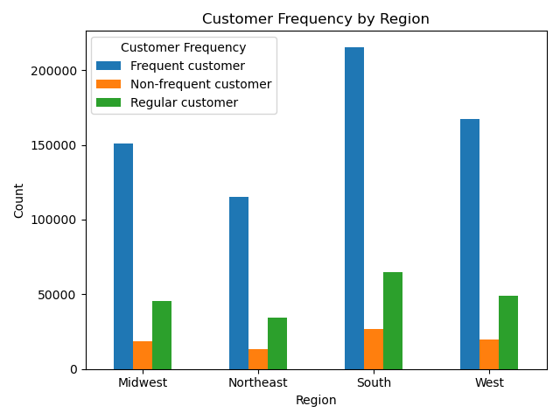

Question
Is there a connection between age and family status in terms of ordering habits?

Comments
Adults and middle-aged people order the most frequently, and those age groups are mostly married. Young adults and those living with parents order the least

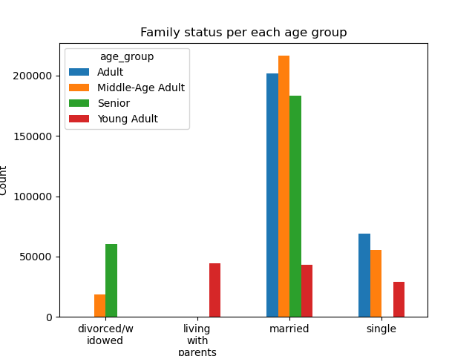
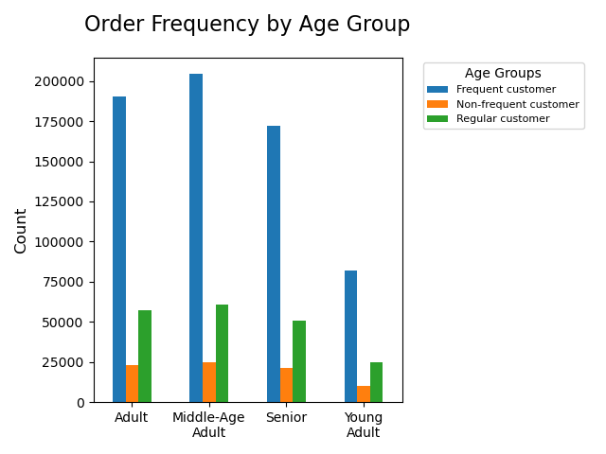

Question
What different classifications does the demographic information suggest? Age? Income? Certain types of goods? Family status?

Comments
Middle-aged adults represent the largest portion of Instacart's customer base, followed by seniors and other adults. In contrast, young adults account for the smallest share of customers.
Married individuals, as well as those living with parents or siblings, tend to have dependents, whereas single, divorced, or widowed individuals generally do not.
Income levels show a sharp rise around age 40, indicating greater spending power among individuals over 40.

7. Recommendations
 |  | Title page

Recommendations

In this tab you should include any recommendations you would made to Instcart in terms of their marketing strategy based on the questions posed in the brief. Every key question has been covered in the Tasks of the Exercises - here you need to add an item - a visualisation or table/crosstable that is showing the answer in the data, acompanied by a comment from you. Please, list the questions below and add the answer underneath.

Question | Answer
The sales team needs to know what the busiest days of the week and hours of the day are (i.e., the days and times with the most orders) in order to schedule ads at times when there are fewer orders. | The majority of orders are placed on Saturdays and Sundays, while Wednesdays and Thursdays see the fewest orders. To boost sales, Instacart should focus on running ads during the days with lower order volumes. The peak ordering hours are between 9 a.m. and 4 p.m., with the highest activity around 10 a.m., while the early mornings experience the lowest demand. Instacart should consider scheduling more ads in the early morning hours to encourage more orders during that time.
They also want to know whether there are particular times of the day when people spend the most money, as this might inform the type of products they advertise at these times. | People spend more money on products in the early mornings and on weekends; however, the price fluctuation is minimal. Instacart can try and advertise high-range products during these specific days and times.
Are there certain types of products that are more popular than others? The marketing and sales teams want to know which departments have the highest frequency of product orders. | The top five selling departments are produce, dairy/eggs, snacks, beverages, and frozen foods. To increase sales, I recommend focusing advertising efforts on the lowest-performing departments, which are bulk and other.
What’s the distribution among users in regards to their brand loyalty (i.e., how often do they return to Instacart)? | The majority of Instacart's customer base consists of regular customers, placing between 10 and 40 orders. Introducing a loyalty incentive program, such as rewards or coupons, could help convert these regular customers into loyal, long-term shoppers.
Are there differences in ordering habits based on a customer’s loyalty status? | The Northeast has the fewest loyal customers. Instacart should focus its loyalty incentives on this region to improve customer retention.
Are there differences in ordering habits based on a customer’s region? | The most frequent customers are located in the West. Instacart could consider offering rewards to these customers to encourage them to continue ordering regularly.
Is there a connection between age and family status in terms of ordering habits? | Married adults and middle-aged individuals place orders most frequently, while young adults tend to order the least. Instacart could benefit from developing targeted ad campaigns aimed at young adults to generate greater interest in their services
What different classifications does the demographic information suggest? Age? Income? Certain types of goods? Family status? | Targeting high-end products to individuals over 40 could be advantageous, as their spending power generally increases with age. Additionally, married individuals with dependents represent a significant portion of Instacart's customer base. Promoting bulk products to families may also be effective, as these items tend to sell less frequently, but families are more likely to purchase in bulk compared to single adults.
What differences can you find in ordering habits of different customer profiles? Consider the price of orders, the frequency of orders, the products customers are ordering, and anything else you can think of. | Most customers tend to order low-priced products on weekends between 9 AM and 4 PM. Instacart could enhance its marketing strategy by promoting top-selling departments, as customers have indicated a preference for ads tailored to their previous purchase habits

